Sheet1
 |  | Document No. | Issue No. | Issue Date |  | Review and Replace Date |  | Authorised By
 |  | GFF218MC | 3 | 02.10.2020 |  | 10.01.2024 |  | Magda Shah
 |  | Document Title | Kashmiri Dum Gravy 3000g

Document amendments reason for change |  | Tray and Film Updated |  | Page 1 of 1 | Previous Issue Date |  | 23.12.2021 | Uncontrolled copy unless signed original

CKASG-B2T | Simply Lunch |  | Kashmiri Dum Gravy 3000g
STEP 1 |  |  |  |  | STEP 2
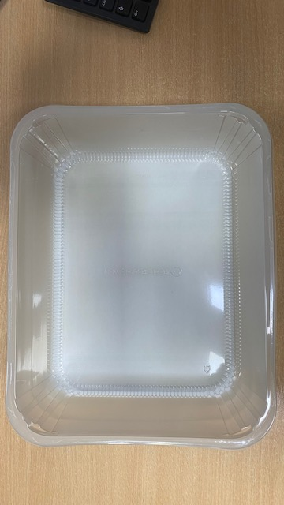 |  |  |  |  | 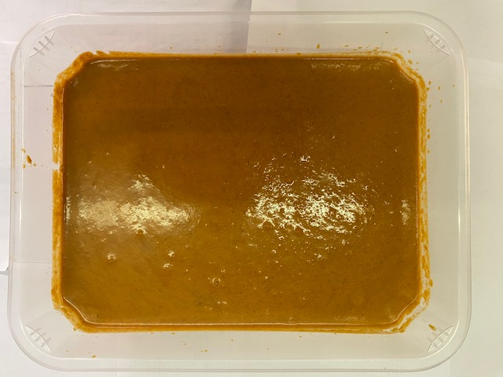

Tray: HW308/96 - OPEN ECO- (PKLEE001-10) |  |  |  |  | Dum Gravy Kashmiri (GFF335R): 3000g

Film: K Peel RPSM 25µm (340mmX1000lmm) (PKKMP001-05)

TOTAL WEIGHT: 3000g

ALLERGY ALERT: MILK

